Sheet1
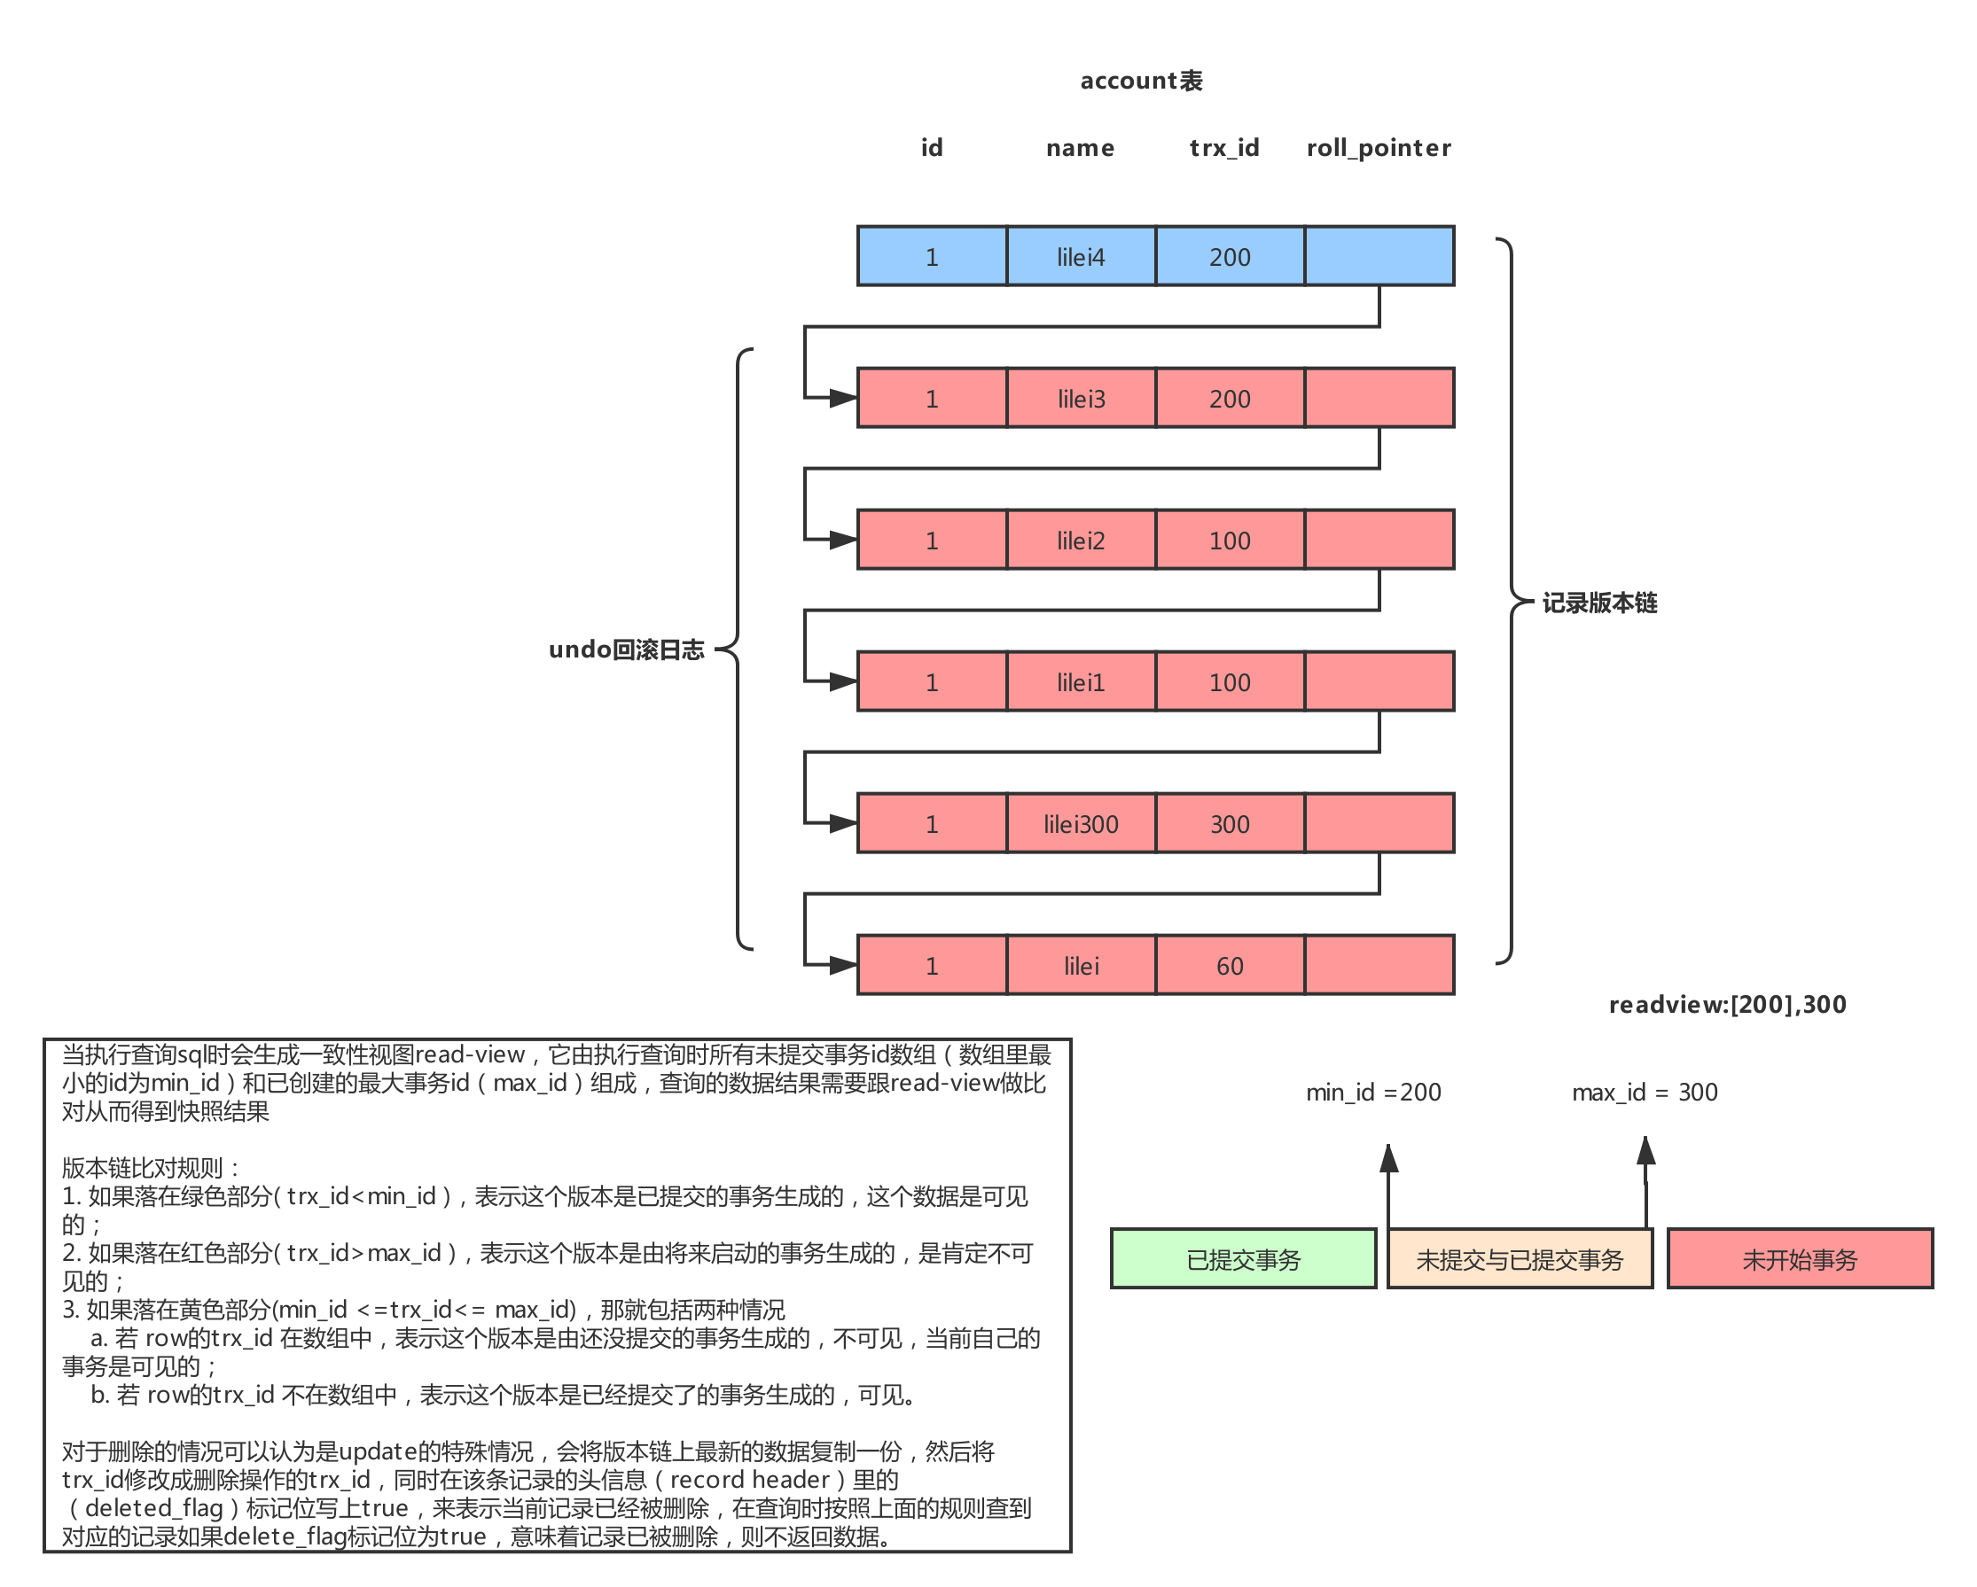
# Transaction 100 | # Transaction 200 | # Transaction 300 | #select 1 | #select 2
begin | begin | begin; | begin; | begin;
update test set c1='123' where id = 1;
 | update test set c1='666' where id = 5;
 |  | update account set name = 'lilei300' WHERE id = 1;
 |  | commit;
 |  |  | select name from account where id = 1; --readview:[100,200],300 lilei300
update account set name = 'lilei1' WHERE id = 1;
update account set name = 'lilei2' WHERE id = 1;
 |  |  | select name from account where id = 1; --readview:[100,200],300 lilei300
commit; | update account set name = 'lilei3' WHERE id = 1;
 | update account set name = 'lilei4' WHERE id = 1;
 |  |  | select name from account where id = 1; --readview:[100,200],300 lilei300 | select name from account where id = 1; --readview:[200],300 lilei2
 | commit;

